Sheet1
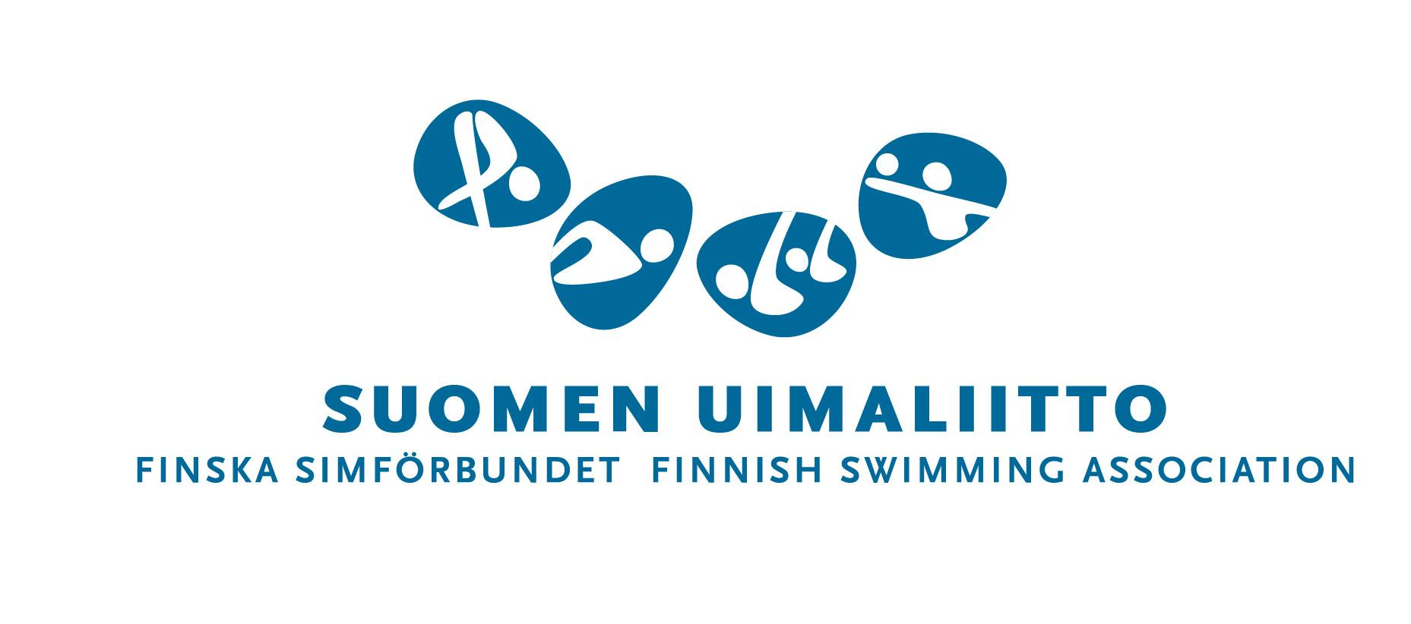


 |  | Finnish Open Junior Championships
 |  | Helsinki, Finland
 |  | March 8th to 10th

Please return by December the 30th 2018 or earlier to: secretary.tiirat@gmail.com

Team:
Country:
Address:

Contact Person:
Phone:
Email:
Contact Finance:
Email Finance:

Participants
Approximately number of divers
 | D group | C group | B group | A group
Girls:
Boys:
Approximately number of officials
 |  |  | Total: | 0

Accommodation
Select Hotel:
 | Hotel AVA

Travel Info
 | Arrival | Departure | Single | Double
 | dd.mm.yy | dd.mm.yy | rooms | rooms

